ITP-022
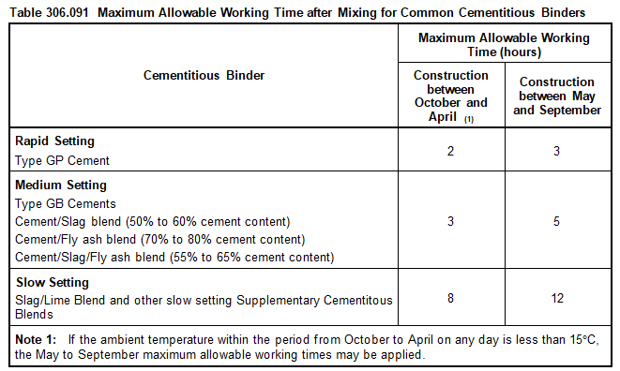
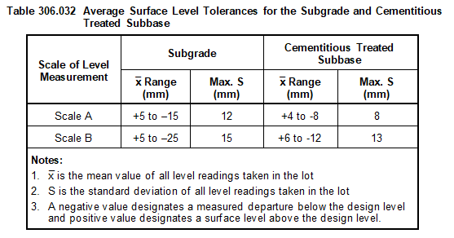
 |  |  | Inspection and Test Plan - Control and Supervision of the Works |  |  |  |  |  |  |  | Document # GT4-ITP-016
 |  |  |  |  |  |  |  |  |  |  | Revision : 0 | Date: 22/09/2023

Client: |  | Hobart International Airport Pty Ltd |  | Construction Process: |  | Prepared by: |  | Reviewed by : |  |  | Approved by :
Project: |  | Project Mercury Early Works At Hobart International Airport |  | Cement Treated Crushed Rock |  | Name: | Zac Buick | Name: |  |  | Name:
Contract No: |  | MER-EW-001 |  | Specifications: VicRoads Section 306, 815, 173
 |  |  |  | Structure / Component: Concrete Pavements |  | Signed : |  | Signed : |  |  | Signed :
 |  |  |  | Location: Hobart International Airport |  | Date : | 22/09/2023 | Date : |  |  | Date :

Item | Task/Activity Description |  | Inspection / Controls and Verification Detail |  |  |  |  | HP/ WP/ AP/ IP/ TP/ SCP | Responsibility | Checked by:
No. |  |  | Frequency | Acceptance Criteria | Reference Documents | Inspection / Test Method | Record of conformity |  | Project Engineer Site Engineer Superintendent Surveyor Foreman | QAV | Fulton Hogan | Date
1 | Preliminary Works
1.1 | Check that current revision drawings are being used |  | Prior to Commencing Work | Issued For Construction (IFC) and latest available revision used | IFC Project Drawings/ Drawing Register | Document review | Latest revision IFC drawings | *FH | Site Engineer | N/A
1.2 | Confirm understanding of current EMP related to the work area and that all prescribed environmental controls are in place |  | Prior to Commencing Work | All environmental measures to be implemented as per current EMP and local authorities. Sediment control measures to be installed and protected vegetation to be clearly identified | EMP, Site induction, | Document review & Site inspection | ITP signed | *FH | Site Engineer | N/A
1.3 | Traffic Management (When required) |  | Prior to Commencing Work | Approved TMP | Applicable TMP | Document review & Site inspection | Approved TMP & MOA | *FH | Site Engineer | N/A
1.4 | Survey set out works |  | Prior to Commencing Work | Survey activities undertaken to ensure and validate that all works meet level and location requirements. The establishment and integrity of the survey network shall be verified before commencing any survey and set out activity. IFC and latest available revision used. | Applicable DWG | Site inspection | Survey records & marks on the ground. This ITP Signed off. | SCP | Site Engineer / Surveyor / Superintendent | N/A
2 | Placement
2.1 | Delivery Dockets |  | Each lot | Where material is scheduled for measurement by loose volume in delivery vehicles or by mass, a delivery docket for each load shall be issued to the Superintendent at the point of delivery. | VicRoads Sec. 306.07 (b) | Visual and Measure | This ITP signed | IP | Site Engineer | N/A
2.2 | Placing of Crushed Rock |  | Each lot | Crushed rock to be a single layer 150mm thick constructed within the tolerances specified in Clause 306.03. | VicRoads Sec. 306.03 306.11 | Verify | This ITP signed | IP | Site Engineer | N/A
2.3 | Moisture Content |  | Each lot | The moisture content of the material at the time of spreading and compaction, expressed as a percentage by mass, shall be within plus 2% and minus 2% from the Modified optimum moisture content. | VicRoads Sec. 306.05 | Verify | This ITP signed | IP | Site Engineer | N/A
2.4 | Water |  | Each lot | Except for the purpose of curing, no water shall be added to the cementitious treated material. | VicRoads Sec. 306.06 | Verify | This ITP signed | IP | Site Engineer | N/A
2.5 | Conformity with drawing |  | Each lot | Pavement subbase shall be finished to a smooth and uniform surface and shall, after compaction, conform within the following limits to the levels, lines, grades, thicknesses and cross sections as specified or shown on the drawings. For Scale B Pavement (a) Width and Alignment The width of pavement measured on each side of the centreline or design line shall not deviate by more than 50 mm from the designed offset when measured at a right angle. (b) Surface Level Requirements Minimum Number of measuremnts per lot: 40 | VicRoads Sec. 306.03 Table 306.031 Table 306.032 | Survey | This ITP signed | SCP | Site Engineer | N/A
2.6 | Jointing |  | Each lot | The layout of joints shall conform to the following requirements unless otherwise approved by the Superintendent: (a) material shall be spread in such a manner as to minimise the number of joints; (b) in any layer, transverse joints in adjoining paver runs shall be offset by not less than 2 m; (c) transverse joints shall be offset from one layer to the next by not less than 2 m; (d) longitudinal joints shall be offset from one layer to the next by not less than 150 mm; (e) longitudinal joints shall be located within 300 mm of the planned position of traffic lane lines or within 300 mm of the centre of a traffic lane. | VicRoads Sec. 306.08 | Visual Inspection | This ITP signed | IP | Site Engineer | N/A
2.7 | Compaction |  | Each lot | Compacted to at least 95% modified dry density ratio with a mean value of at least 96% modified dry density ratio. The cementitious treated subbase material shall be placed, trimmed to level and fully compacted within the maximum allowable working time specified in Table 306.091 depending on the binder type and the time of year the subbase is being placed. (Table Attached Below) | EW-CE-DRW-406-001 (Rev D) VicRoads Sec. 306.09 | Test report | ITP signed | TP | Site Engineer | N/A
2.8 | Curing and Protection of Compacted Layers |  | Each lot | For Minimum Youngs Modulus of 500MPa, The surface of each compacted layer shall be kept moist for a period of seven days unless covered at an earlier stage with the succeeding layer or with an approved curing membrane. Construction or other traffic shall not use a compacted layer within 24 hours of placement without the approval of the Superintendent. The subbase shall be kept in good order and condition and free from contamination. | EW-CE-DRW-406-001 (Rev D) VicRoads Sec. 306.11 (a) | Verify | ITP signed | IP | Site Engineer | N/A
3 | Conformance
3.1 | Test Rolling |  | Each lot | Test rolling may be carried out in accordance with the requirements of Section 173 (Specifically Section 173.03) on the cementitious treated pavement subbase layer within the maximum allowable working time for the relevant binder and time of year as specified in Table 306.091. | VicRoads Sec 306.10 | Test Roll | This ITP signed | *FH | Site Engineer / QAV | N/A
3.2 | Testing and Acceptance of Compaction (Scale B) |  | Each lot | The work represented by the lot will be accepted as far as compaction is concerned if the mean density ratio for the lot is not less than 96.0% | EW-CE-DRW-406-001 (Rev D) | Test point | This ITP signed | *FH | Site Engineer | N/A
3.3 | Survey Conformance |  | Each lot | Mean values of all level readings taken in the lot: +6mm to -12mm Maximum Standard Deviation of 13mm | VicRoads Sec. 306.03 Table 306.032 | Survey | This ITP signed | SCP | Site Engineer | N/A
3.4 | Shape |  | Each lot | No point on the prepared surface of the subgrade shall lie more than 12 mm below a 3 metre straight edge placed on the pavement in any direction. No point on the surface of the cementitious treated subbase layer shall vary by more than 8 mm from a 3 metre straight edge, or 10 mm from a 6 metre straight edge, placed in any direction. Water shall not pond on the surface of the cementitious treated subbase. | VicRoads Sec. 306.03 (c) | Test Point | This ITP signed | TP | Site Engineer | N/A

 | Final Inspection
 | The signature below verifies that this ITP has been completed in accordance with the FH’s Quality system Procedures and verifies lot compliance with specifications.
 | Print Name: |  | Position: |  | Signature: |  |  |  |  | Date: / /

Legend
HP | Hold Point | Work shall not proceed past the HP until released by the Superintendent |  |  | IP | Inspection point |  | Formal Inspection to be done and recorded
HP* | FH Hold Point | Work shall not proceed past the HP* until released by FH |  |  | TP | Test Point |  | Product compliance test to be undertaken and recorded/reported
AP | Approval Point | Written or verbal approval given by the Superintendent |  |  | SCP | Survey conformance point |  | A qualified surveyor to check product/section/structure and report
WP | Witness Point | An inspection which must be witnessed by the Superintendent |  |  | WP* | Fulton Hogan Witness Point |  | An inspection which must be witnessed by Fulton Hogan Representative

